Project950
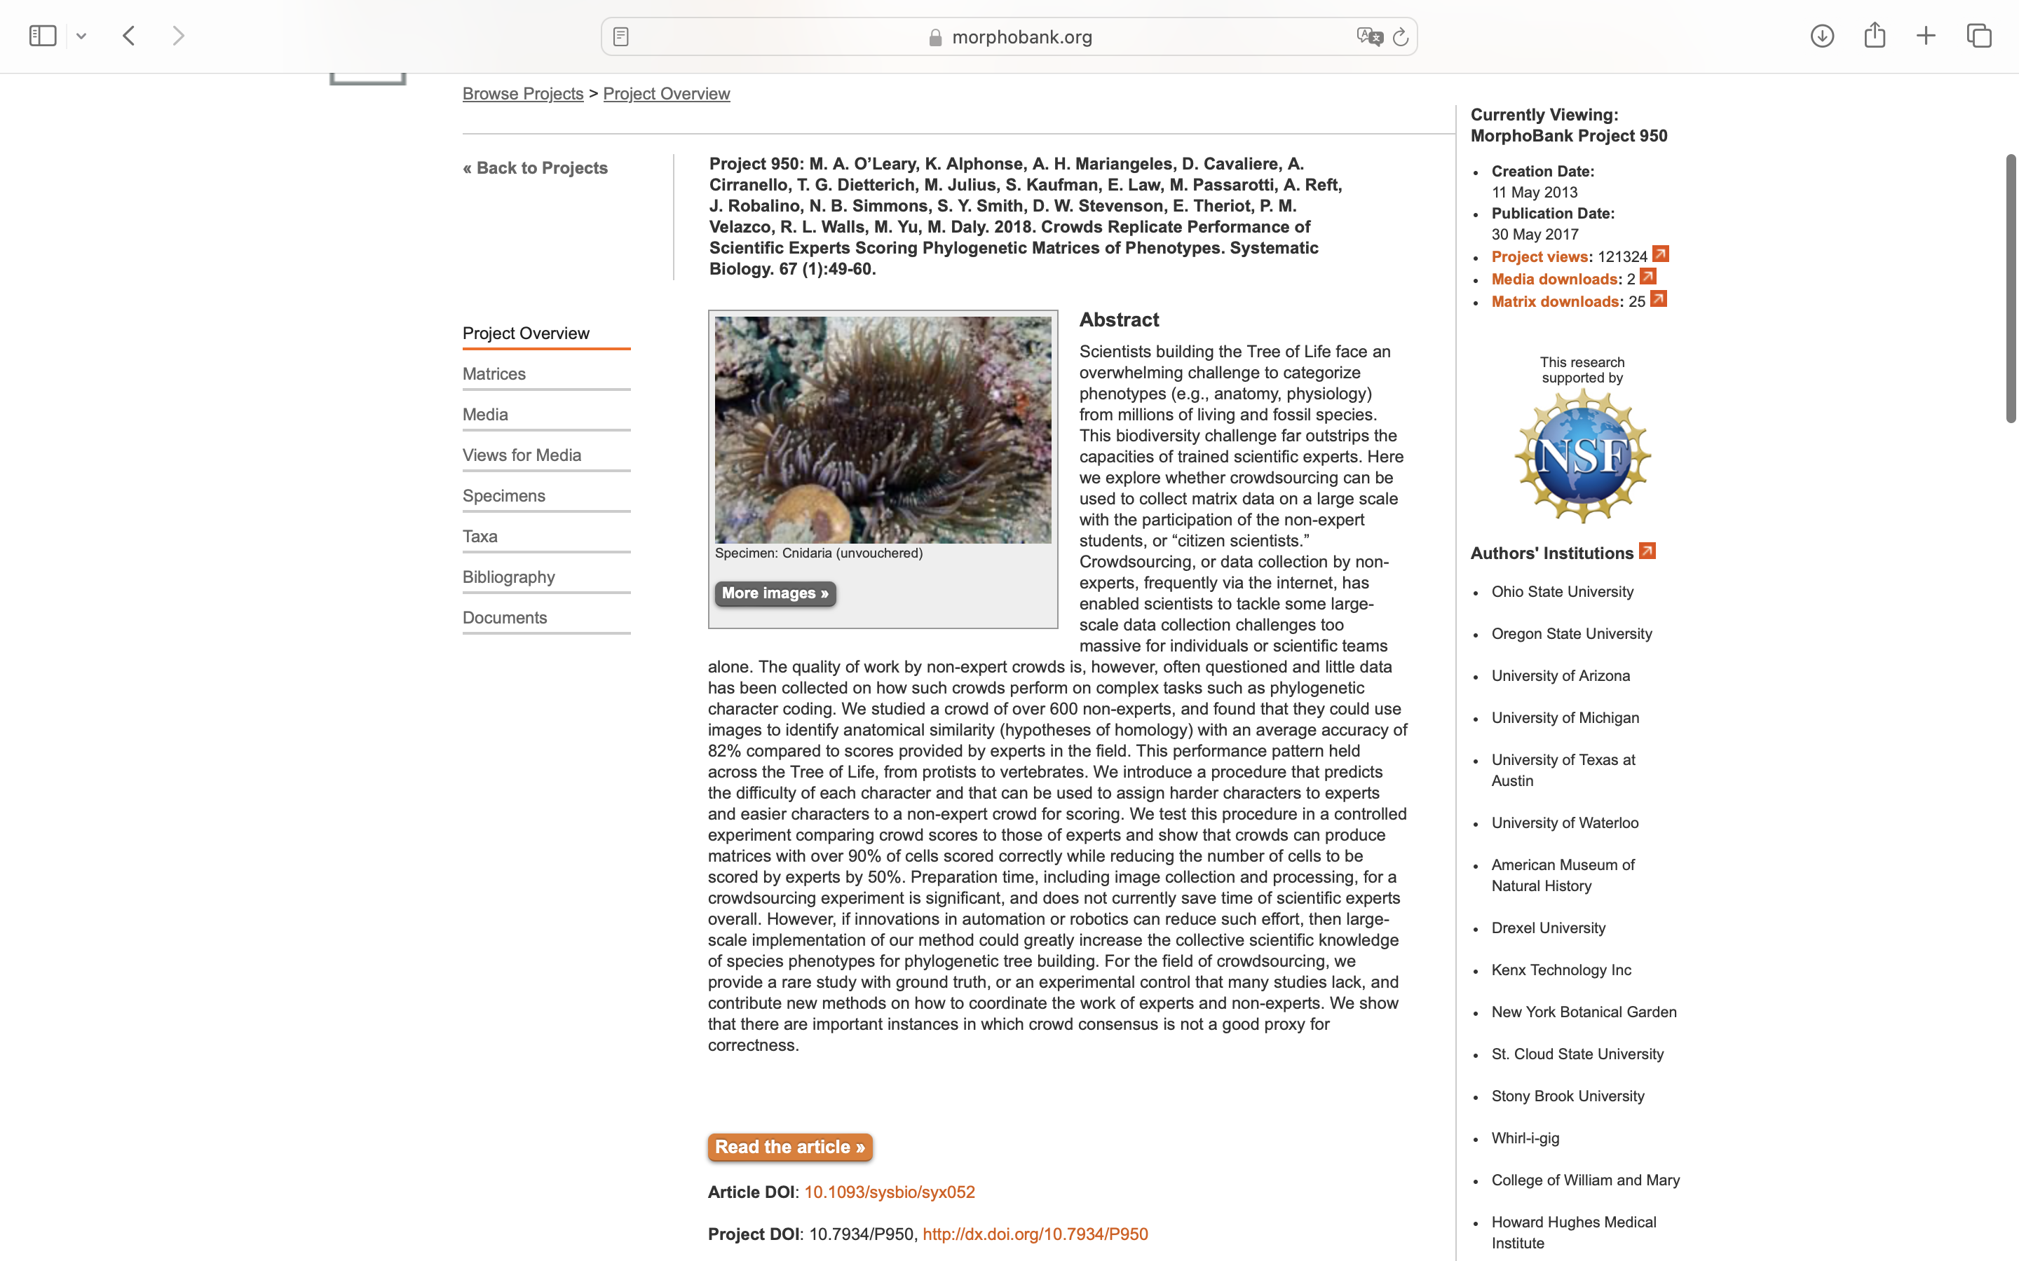
Charlabels | Character Pattern | Unseen States
[1] 'Capsule shape in outline' | Transformational | YES
[2] 'Apical flaps' | Neomorphic | NO
[3] 'Basal tubule diameter vs. distal tubule diameter' | Transformational | YES
[4] 'Basal tubule morphology' | Transformational | NO
[5] 'Basal tubule spines' | Neomorphic | NO
[6] 'Length of spines on tubule' | Transformational | NO
[7] 'Basal tubule spine density' | Transformational | YES
[8] 'Basal tubule texture ' | Transformational | YES
[9] 'Distal tubule spines' | Neomorphic | NO

